11027
PACKING LIST
DATE |  | : | 13.09.2023 |  |  | 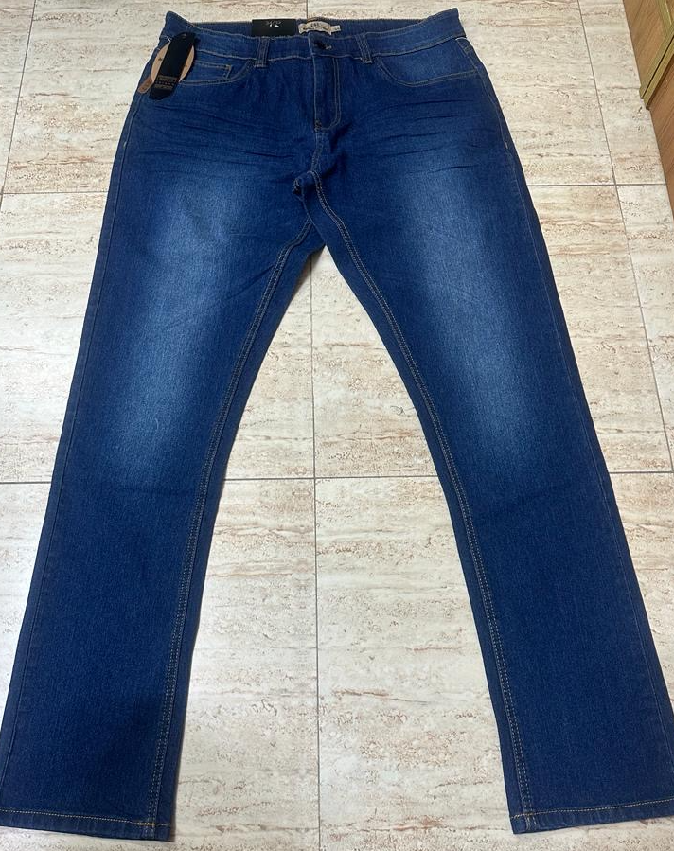 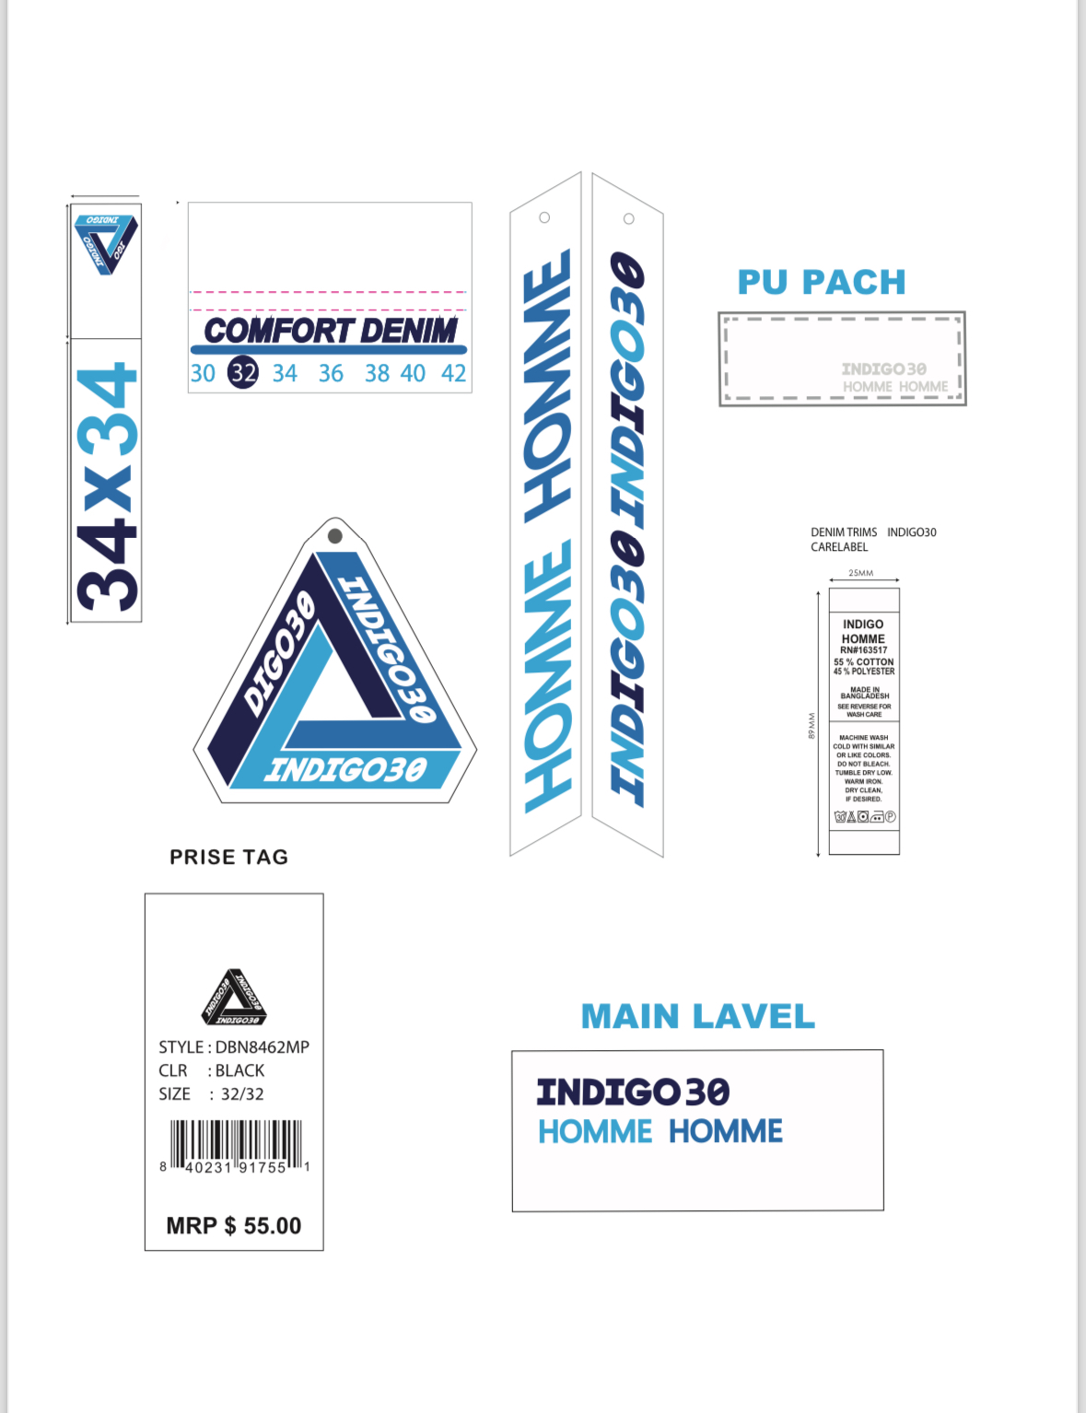 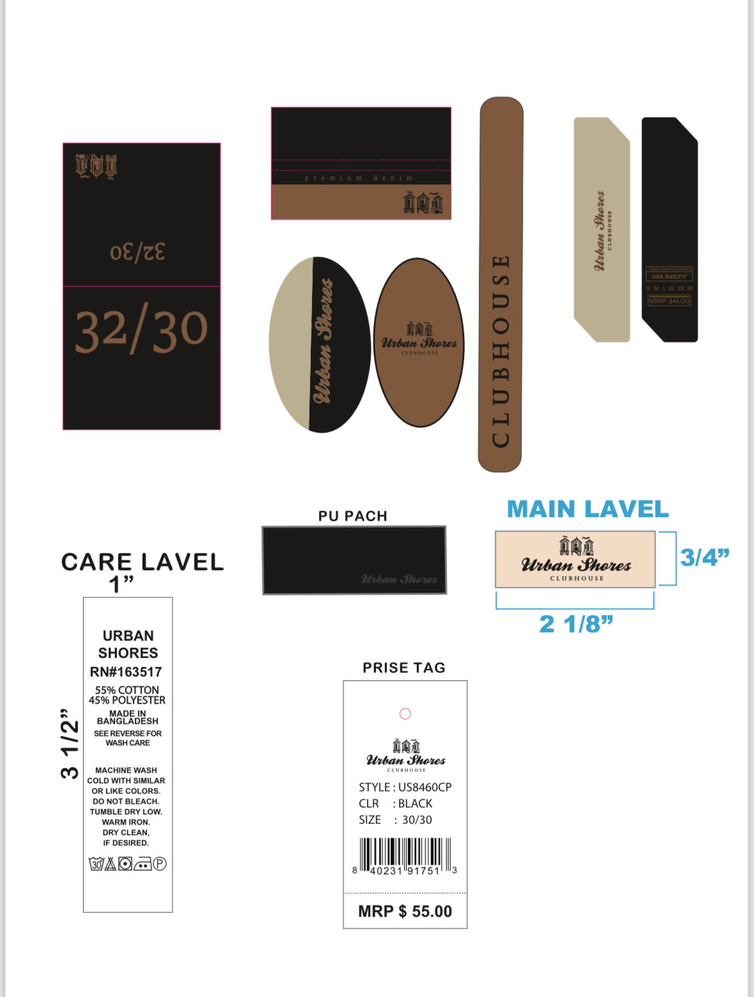 NOTE: 1) EACH LABEL 25200 PCS TOTAL 50400 PCS IN NY PORT 2) IN BD FACTORY HAS ANOTHER 6 CONTAINER QTY 151200 PCS
BUYER |  | :
STYLE NO |  | : | US8460, US8461
PO NO |  | : | 11027
ORDER QTY |  | : | 25200
ITEM |  | : | FIVE POCKET JEANS
SHIPMENT QTY |  | : | 25200
FABRIC | 11.25 OZ DENIM (70% cotton 28% polyester 2% spandex)
TOTAL CTN |  | : | 1050
TOTAL CBM |  | : | 60.56

PO NO. | STYLE NO. | CTNS NO. |  | CTNS | COLOR | 32/32 | 34/32 | 34/34 | 36/32 | 36/34 | 38/32 | 38/34 | 40/32 | 40/34 | 42/34 | PCS PER BLISTER | Pcs per Carton | TTL QTY | N.W. (KGS) | G.W. (KGS) | MEAS. (INCH) |  |  | TTL N.W. | TTL G.W. | TTL CBM
US8460/11027 | US8460MP | 1 | 50 | 50 | BLACK | 1 | 1 | 2 | 1 | 2 | 1 | 1 | 1 | 1 | 1 | 12 | 24 | 1200 | 13.2 | 14.9 | 24 | 17 | 8.5 | 660.000 | 745.000 | 2.88
 |  | 51 | 95 | 45 | DARK BLAST | 1 | 1 | 2 | 1 | 2 | 1 | 1 | 1 | 1 | 1 | 12 | 24 | 1080 | 13.0 | 14.6 | 24 | 17 | 8.5 | 585.000 | 657.000 | 2.60
 |  | 96 | 140 | 45 | VINTAGE BLAST | 1 | 1 | 2 | 1 | 2 | 1 | 1 | 1 | 1 | 1 | 12 | 24 | 1080 | 12.8 | 14.4 | 24 | 17 | 8.5 | 576.000 | 648.000 | 2.60
 |  | 141 | 152 | 12 | MEDIUM BLAST | 1 | 1 | 2 | 1 | 2 | 1 | 1 | 1 | 1 | 1 | 12 | 24 | 288 | 12.8 | 14.4 | 24 | 17 | 8.5 | 153.600 | 172.800 | 0.69
 |  | 153 | 153 | 1 | MEDIUM BLAST | 1 | 1 | 2 | 1 | 2 | 1 | 1 | 1 | 1 | 1 | 12 | 24 | 24 | 12.8 | 14.4 | 24 | 17 | 8.5 | 12.800 | 14.400 | 0.06
SUB TOTAL |  |  |  | 153 |  |  |  |  |  |  |  |  |  |  |  |  |  | 3672 |  |  |  |  |  | 1987.400 | 2237.200 | 8.82
US8460/11027 | US8460CP | 153 | 272 | 120 | BLACK | 1 | 1 | 1 | 2 | 2 | 2 | 1 | 1 | 1 |  | 12 | 24 | 2880 | 12.3 | 14 | 24 | 17 | 8.5 | 1476.000 | 1680.000 | 6.92
 |  | 273 | 367 | 95 | DARK BLAST | 1 | 1 | 1 | 2 | 2 | 2 | 1 | 1 | 1 |  | 12 | 24 | 2280 | 12.3 | 13.9 | 24 | 17 | 8.5 | 1168.500 | 1320.500 | 5.48
 |  | 368 | 462 | 95 | VINTAGE BLAST | 1 | 1 | 1 | 2 | 2 | 2 | 1 | 1 | 1 |  | 12 | 24 | 2280 | 12.3 | 14 | 24 | 17 | 8.5 | 1168.500 | 1330.000 | 5.48
 |  | 463 | 524 | 62 | MEDIUM BLAST | 1 | 1 | 1 | 2 | 2 | 2 | 1 | 1 | 1 |  | 12 | 24 | 1488 | 12.0 | 13.6 | 24 | 17 | 8.5 | 744.000 | 843.200 | 3.58
SUB TOTAL |  |  |  | 372 |  |  |  |  |  |  |  |  |  |  |  |  |  | 8928 |  |  |  |  |  | 4557.000 | 5173.700 | 21.46
PO NO. | STYLE NO. | CTNS NO. |  | CTNS | COLOR | 30/30 | 32/30 | 32/32 | 34/30 | 34/32 | 36/30 | 36/32 | 38/30 | 38/32 |  | PCS PER BLISTER | Pcs per Carton | TTL QTY | N.W. (KGS) | G.W. (KGS) | MEAS. (CM) |  |  | TTL N.W. | TTL G.W. | TTL CBM
US8460/11027 | US8461MP | 1 | 50 | 50 | BLACK | 1 | 1 | 2 | 1 | 2 | 1 | 1 | 1 | 1 | 1 | 12 | 24 | 1200 | 13.20 | 14.8 | 24 | 17 | 8.5 | 660.000 | 740.000 | 2.88
 |  | 51 | 95 | 45 | DARK BLAST | 1 | 1 | 2 | 1 | 2 | 1 | 1 | 1 | 1 | 1 | 12 | 24 | 1080 | 13.00 | 14.6 | 24 | 17 | 8.5 | 585.000 | 657.000 | 2.60
 |  | 96 | 140 | 45 | VINTAGE BLAST | 1 | 1 | 2 | 1 | 2 | 1 | 1 | 1 | 1 | 1 | 12 | 24 | 1080 | 13.00 | 14.6 | 24 | 17 | 8.5 | 585.000 | 657.000 | 2.60
 |  | 141 | 152 | 12 | MEDIUM BLAST | 1 | 1 | 2 | 1 | 2 | 1 | 1 | 1 | 1 | 1 | 12 | 24 | 288 | 12.80 | 14.4 | 24 | 17 | 8.5 | 153.600 | 172.800 | 0.69
 |  | 153 | 153 | 1 | MEDIUM BLAST | 1 | 1 | 2 | 1 | 2 | 1 | 1 | 1 | 1 | 1 | 12 | 24 | 24 | 6.00 | 8.6 | 24 | 17 | 8.5 | 6.000 | 8.600 | 0.06
SUB TOTAL |  |  |  | 153 |  |  |  |  |  |  |  |  |  |  |  |  |  | 3672 |  |  |  |  |  | 1989.600 | 2235.400 | 8.82
US8460/11027 | US8461CP | 154 | 273 | 120 | BLACK | 1 | 1 | 1 | 2 | 2 | 2 | 1 | 1 | 1 |  | 12 | 24 | 2880 | 12.3 | 14.0 | 24 | 17 | 8.5 | 1476.000 | 1680.000 | 6.92
 |  | 274 | 368 | 95 | DARK BLAST | 1 | 1 | 1 | 2 | 2 | 2 | 1 | 1 | 1 |  | 12 | 24 | 2280 | 12.2 | 13.9 | 24 | 17 | 8.5 | 1159.000 | 1320.500 | 5.48
 |  | 369 | 463 | 95 | VINTAGE BLAST | 1 | 1 | 1 | 2 | 2 | 2 | 1 | 1 | 1 |  | 12 | 24 | 2280 | 12.2 | 13.8 | 24 | 17 | 8.5 | 1159.000 | 1311.000 | 5.48
 |  | 464 | 525 | 62 | MEDIUM BLAST | 1 | 1 | 1 | 2 | 2 | 2 | 1 | 1 | 1 |  | 12 | 24 | 1488 | 11.8 | 13.5 | 24 | 17 | 8.5 | 731.600 | 837.000 | 3.58
SUB TOTAL |  |  |  | 372 |  |  |  |  |  |  |  |  |  |  |  |  |  | 8928 |  |  |  |  |  | 4525.600 | 5148.500 | 21.46
Grand Total |  |  |  | 1050 |  |  |  |  |  |  |  |  |  |  |  |  |  | 25200 |  |  |  |  |  | 13059.600 | 14794.800 | 60.56

